WS Sizing Calculations
 |  |  |  |  |  |  |  |  |  |  |  |  |  |  |  |  |  | Superstructure | Bottom Frame Calculations
 |  |  |  |  |  |  |  |  |  |  |  |  |  |  |  |  |  |  | Bottom Frame Required Moment of Inertia |  |  |  | Hatch Beam Dimensions |  |  |  | Required Hatch Pin Thickness
 |  |  |  |  |  |  |  |  |  |  |  |  |  |  |  |  |  |  |  | Value | Units | Notes |  | Value | Units | Notes |  | Value | Units | Notes
 |  |  |  |  |  |  |  |  |  |  |  |  |  |  |  |  |  |  | Force Applied Load | 700 | lbf |  | Plate Thickness | 0.5 | in |  | Force Applied Load | 700 | lbf
SuperStructure |  |  |  |  |  |  |  |  |  |  |  |  |  |  |  |  |  |  | Span | 8.5 | in | Overestimate of span since design limit is 8.5. Hatch Span will be significantly less | Number of Supporting Plates | 2 | - |  | Thickness of Hatch Beams | 1
 | Area of Space |  |  |  |  |  |  |  |  |  |  |  |  |  |  |  |  |  | Shear Force | 350 | lbf |  | Effective Support Thickness | 1 | in |  | Max Stress of Material Used | 34800 | psi
 |  | 0.125 |  |  |  |  |  |  |  |  |  |  |  |  |  |  |  |  | Bending Moment | 1487.5 | in-lb |  | Minimum Hatch Support Height | 0.71619203743 | in |  | FS | 5
 |  | 8.5 |  |  |  |  |  |  |  |  |  |  |  |  |  |  |  |  | FS | 2 | - |  |  |  |  |  | Minimum Pin Diameter for Bearing Stress | 0.20114942529
 |  | 1 |  |  |  |  |  |  |  |  |  |  |  |  |  |  |  |  | Material Shear Strength | 34800 | lb/in2 |  |  |  |  |  | Minimum Pin Diameter for Shear Stress | 0.28365431447
 |  | 0.25 |  |  |  |  |  |  |  |  |  |  |  |  |  |  |  |  | Required Section Modulus (S.S.) | 0.085488505747 | in3 |  |  |  |  |  | Chosen Pin Diameter | 0.375
 |  | 1.0625
 | Cross Sectional Area of Beam | 1.3125
 | Stress Due to Tension |  |  |  |  |  |  |  |  |  |  |  |  |  |  |  |  |  | Frame Pin and Frame Interface |  |  |  | Frame Pin Support Size
 |  |  |  |  |  |  |  |  |  |  |  |  |  |  |  |  |  |  | Frame Pin Diameter |  |  |  | Frame Pin Diameter
 |  |  |  |  |  |  |  |  |  |  |  |  |  |  |  |  |  |  |  | Value | Units | Notes |  | Value | Units | Notes
 |  |  |  |  |  |  |  |  |  |  |  |  |  |  |  |  |  |  | Thickness of Frame Component | 0.125 | in |  | Thickness of Frame Component | 0.125 | in
 |  |  |  |  |  |  |  |  |  |  |  |  |  |  |  |  |  |  | Max Stress of Material Used | 34800 | psi |  | Max Stress of Material Used | 34800 | psi
 |  |  |  |  |  |  |  |  |  |  |  |  |  |  |  |  |  |  | FS | 3 |  |  | FS | 3
 |  |  |  |  |  |  |  |  |  |  |  |  |  |  |  |  |  |  | Minimum Pin Diameter | 0.24137931034 | in |  | Thickness Offset from Pin Hole | 0.12068965517 | in
 |  |  |  |  |  |  |  |  |  |  |  |  |  |  |  |  |  |  | Chosen Pin Diameter | 0.375 | in |  | Chosen Thickness | 0.25 | in
 |  |  |  |  |  |  |  |  |  |  |  |  |  |  |  |  |  |  |  |  |  |  | Frame Pin Reinforcement Thickness | 0.875

Access hatch and conduit | Wash Chamber Access Hatch Calculations
 | Hatch Frame Required Moment of Inertia |  |  |  |  | Hatch Beam Dimensions |  |  |  | Required Pin Thickness (for hatch beam)
 |  | Value | Units | Notes |  |  | Value | Units | Notes |  | Value | Units | Notes
 | Assumed O-Ring Crush Force for Sealing | 200 | lbf | Additional force being applied by user to seal hatch O-Rings |  | Plate Thickness | 0.5 | in |  | Force Applied Load | 900 | lbf
 | Force Applied Load | 900 | lbf |  |  | Number of Supporting Plates | 3 | - |  | Thickness of Hatch Beams | 1.5
 | Span | 8.5 | in | Overestimate of span since design limit is 8.5. Hatch Span will be significantly less |  | Effective Support Thickness | 1.5 | in |  | Max Stress of Material Used | 34800 | psi
 | Shear Force | 450 | lbf |  |  | Minimum Hatch Support Height | 0.66306498355 | in |  | FS | 5
 | Bending Moment | 1912.5 | in-lb |  |  |  |  |  |  | Minimum Pin Diameter for Bearing Stress | 0.1724137931
 | FS | 2 |  |  |  |  |  |  |  | Minimum Pin Diameter for Shear Stress | 0.26261286572
 | Material Shear Strength | 34800 |  |  |  |  |  |  |  | Chosen Pin Diameter | 0.375
 | Required Section Modulus (S.S.) | 0.1099137931

 | Wash Piston Rod
 | Piston Rod Size For Load Application |  |  |  |  | Wash Piston Rod Stay Pin Thickness |  |  |  | Reaction Force on Reservior Piston Due to Potential Developed Pressure
 |  | Value | Units | Notes |  |  | Value | Units | Notes |  | Value | Units | Notes
 | K | 2 | - |  |  | Diameter of Piston Rod | 0.875 | in |  | Rod Diameter at O Ring | 0.75 | in
 | I | 0.0023309064948 |  |  |  | Max Stress of Material Used | 34800 | psi |  | Cross Sectional Area | 1.7671458676 | in2
 | E | 28000000 |  |  |  | FS | 5 |  |  | Applied Force | 700 | lbf
 | Pcr | 700 |  |  |  | Minimum Pin Diameter | 0.11494252874 |  |  | Stress at Location | 396.11896947 | psi
 | lmax | 10.725 |  |  |  | Chosen Pin Diameter | 0.375
 | FS | 2 |  |  |  | Piston Rod Area at Pin | 0.27319546885
 | a | 0.23340424082 |  |  |  | Stress on Piston Rod at Area | 2562.2679722 |  | check
 | D | 0.46680848163
 | Shaft Diameter | 0.875 | in
 |  |  |  |  |  | Machinability Check | Value | Units | Notes
 | Critical Stress Buckling (Check) | 459853.28128 | psi | Stress required to buckle beam |  | Pin Hole Depth | 4
 | Force Required to Produce Buckling Stress | 276519.1907 | lbf |  |  | Nut Thickness for Chosen Pin | 0.25
 | Critical Stress Due to Plastic Deformation |  |  |  |  | Diameter to Depth Ratio | 9.3333333333
 |  |  |  |  |  | Hole Diameter to Depth Ratio | 10

 | Reservior Piston Rod
 | Reaction Force on Reservior Piston Due to Potential Developed Pressure |  |  |  |  | Reservior Piston Rod Size For Load Application |  |  |  | Reservior Piston Rod Stay Pin Thickness |  |  |  | Piston Compliance Springs |  |  |  | Reaction Force on Reservior Piston Due to Potential Developed Pressure
 |  | Value | Units | Notes |  |  | Value | Units | Notes |  | Value | Units | Notes |  | Value | Units | Notes |  | Value | Units | Notes
 | Piston Area | 12.566370614 | in2 |  |  | Chamber Top Rod Size For Load Application |  |  |  | Span of Piston Rod | 0.5 | in |  | # of Springs | 4 |  |  | Rod Diameter at O Ring | 0.375 | in
 | Max Water Pressue | 55.704230082 | psi |  |  | # of Supports | 4 |  |  | Max Stress of Material Used | 34800 | psi |  | Spring Travel |  |  |  | Cross Sectional Area | 0.44178646691 | in2
 | Chamber Top Wetted Area | 11.965050146 | in2 |  |  | K | 2 |  |  | FS | 5 |  |  | Minimum Spring ID | 0.5 |  |  | Applied Force | 175 | lbf
 | Reaction Force on Chamber Top Due to Pressure | 666.50390625 | lbf |  |  | I | 0.00055484224426 |  |  | Minimum Pin Diameter | 0.047881027748 |  |  |  |  |  |  | Stress at Location | 396.11896947 | psi
 |  |  |  |  |  | E | 28000000 |  |  | Chosen Pin Diameter | 0.1875
 |  |  |  |  |  | Pcr | 666.50390625 | lbf |  | Piston Rod Area at Pin | 0.10259954085
 |  |  |  |  |  | lmax | 10.725 | in |  | Stress on Piston Rod at Area | 1624.0421271 |  | check
 |  |  |  |  |  | FS | 2 | -
 |  |  |  |  |  | a | 0.16303089382 | in2
 |  |  |  |  |  | D | 0.45560660775 | in |  | Machinability Check | Value | Units | Notes
 |  |  |  |  |  | Shaft Diameter | 0.5 | in |  | Pin Hole Depth | 2.58 |  | Based on Dimensions of Reservior Piston in CAD. Pins offset due to distance from center of piston support rods
 |  |  |  |  |  |  |  |  |  | Nut Thickness for Chosen Pin | 0.25
 |  |  |  |  |  | Critical Stress Buckling (Check) | 150156.17348 | psi | Stress required to buckle beam | Diameter to Depth Ratio | 11.093333333
 |  |  |  |  |  | Force Required to Produce Buckling Stress | 29483.095718 | lbf |  | Hole Diameter to Depth Ratio | 10 |  | Feasible but Challenging. Could Possibly be Machined from both sides if needed
 |  |  |  |  |  | Critical Stress Due to Plastic Deformation

 | Thrust Beam Span (Wash and Reservior)

 | Wash Chamber Access Hatch Calculations |  |  |  |  | Beam Dimensions |  |  |  | Wash Piston Rod Stay Pin Thickness
 |  | Value | Units | Notes |  |  | Value | Units | Notes |  | Value | Units | Notes
 | Force Applied Load | 700 | lbf |  |  | Plate Thickness | 0.25 | in |  | Length of Nut Supported by Pin | 1 | in
 | Span | 7.45 | in | Known based on component sizing |  | Number of Supporting Plates | 2 | - |  | Max Stress of Material Used | 34800 | psi
 | Shear Force | 350 | lbf |  |  | Effective Support Thickness | 0.5 | in |  | FS | 5
 | Bending Moment | 1303.75 | in-lb |  |  | Minimum Hatch Support Height | 0.94822883896 | in |  | Minimum Pin Diameter | 0.10057471264
 | FS | 2 |  |  |  |  |  |  |  | Chosen Pin Diameter | 0.25
 | Material Shear Strength | 34800 |  |  |  |  |  |  |  | Piston Rod Area at Pin | 0.5353981634
 | Required Section Modulus (S.S.) | 0.07492816092 |  |  |  |  |  |  |  | Stress on Piston Rod at Area | 1307.4381794 |  | check

 | Piston Lead Screw Initial Sizing |  |  |  |  | Lead Screw Analysis of Selected Screw |  |  |  | Torque Applied to Screw to Achieve Applied Force |  |  |  | Required Nut Length
 | Condition | Max Clothing Compression |  |  |  | Pre-Spec Screw Dimensions | Value | Units | Note |  | Value | Units | Note |  | Value | Units | Note
 | Method | initial estimate of rod size to withstand forces associated with maximum working clothing compression |  |  |  | Material | Mild Steel | - |  | Applied Force | 350 | lbf |  | Normal Reaction Force on Nut | 393.91438356 | lbf | Not breaking into component forces, using normal as a ballpark estimate/assuming overbuilt
 | Links |  |  |  |  | Design Max Stress | 34800 |  |  | Normal Reaction Force | 393.91438356 | lbf
 |  | Value | Units | Notes |  | FS | 2 |  |  | Horizontal Component of Normal Force | 180.74440953 | lbf
 | State of Force | Tension | - | - |  | Thread Type | ACME | - |  | Friction Force | 74.843732877 | lbf
 | # of Lead Screws | 2 | - | - |  | Screw Major Diameter | 0.5 | in |  | Force Required to Produce Applied Load | 255.37910434 | lbf
 | Force Applied to Screws | 350 | lbf |  |  | Screw Minor Diameter | 0.35 | in |  | Torque application required to move piston | 4.522338306 | ft-lb
 | Max Allowed Stress | 34800 | psi |  |  | Screw Mean Diameter | 0.425 | in |  | Torque application required to move piston | 868.28895475 | oz-in
 | FS | 2 | - |  |  | Mean Screw Circumference | 1.3351768778 | in |  | Torque application required to move piston | 62.510835255 | kg-cm
 | Minimum diameter of lead screw pure tensile stress | 0.16003480955 | in |  |  | Minor Diameter Cross Sect. Area | 0.096211275016 |  |  | Shear Stress Induced due to Torque | 3069.6649547 | psi
 | mean diameter of Lead Screw | 0.38 | in | ~(3/8") |  | Polar Moment of Inertia of Screw (minor dia) | 0.0014732351487 | in
 |  |  |  |  |  | Screw Pitch | 0.1 | inch/revolution
 | Unraveled Diameter of Screw | 1.1780972451 |  |  |  | TPI | 10 | threads/inch
 | Pitch at Given Diameter | 0.17 |  | From Shigleys |  | Screw Pitch Angle | 0.074756869969 | radians
 | Pitch Angle of Screw | 0.14053843111 |  |  |  | Screw Pitch Angle | 4.2832531388 | degrees
 | Polar Moment of Inertia of Screw (minor dia) | 0.0019414444347

 |  |  |  |  |  | Screw Efficiency | 40%
 | ACME Thread Calculations: A Complete Guide - EngineerExcel |  |  |  |  | Chain Efficiency | 98%
 | 1 lb = 16 oz

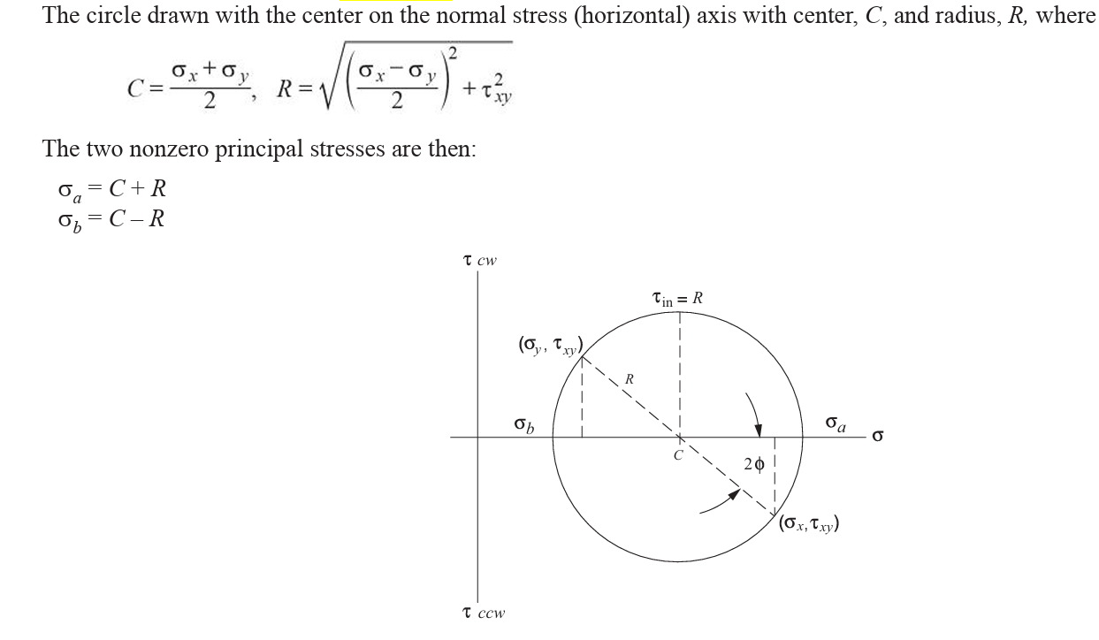
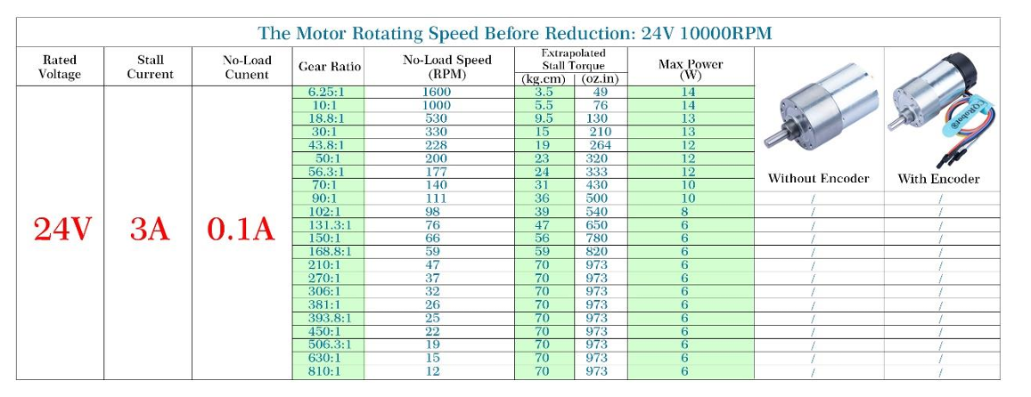
 | Drive Chain Assembly Mechanical Advantage and Chain Tension |  |  |  |  | Required Chain Strength
 |  | Value | Units | Notes |  |  | Value | Units | Notes
 | Required Motor Torque to Achieve Applied Force | 9 | ft-lb | From ACME Screw calc (x2 due to 2 acme screws) |  | Chain Working Tension | 35.1
 | Assumed Sprocket Size | 2.00 | in | from inventor max allowable space for given design |  | Chain Back Tension (to Prevent Slip)
 | Chain Tension for Applied Load | 54 | lb |  |  | Total Chain Tension
 | Driving Sprocket Size | 1.25 | in
 | Chain Drive Efficiency Estimate | 96%
 | Required Torque to Drive Chain | 5.85 | ft-lb |  |  |  |  |  | 2.1.2 Engagement with Sprockets (chain-guide.com)
 | Required Torque to Drive Chain | 1123.2 | oz-in
 | Required Torque to Drive Chain | 80.862678 | kg-cm
 | Gear Ratio | 1.6

 |  |  |  |  |  | Motor Speed Estimate
 | Motor Sizing |  |  |  |  |  | Value | Units | Notes
 |  | Value | Units | Notes |  | Motor RPM | 19 | RPM
 | Required Torque to Drive Chain | 5.85 | ft-lb |  |  | Motor Gear Ratio | 1 | -
 | Required Torque to Drive Chain | 1123.2 | oz-in |  |  | Drive Chain Ratio | 1.6
 | Required Torque to Drive Chain | 80.862678 | kg-cm |  |  | Power Screw Speed Ratio | 10 | revolutions/in
 | Required Torque to Drive Chain | 7.9315349976 | Nm |  |  | Screw Drive Speed | 11.875 | RPM
 |  |  |  |  |  | Linear Speed | 1.1875 | in/min
 | Selected Motor Specifications
 | Voltage
 |  |  |  | 50 | rpm
 |  |  |  | 5.235987756 | rad/s | Watt = 0.105*Nm*rpm
 |  |  |  | 7.9315349976 | Nm
 |  |  |  | 41.529420133 | watts | 74.953005727

 |  |  |  | 24 | Volts
 |  |  |  | 1.7303925056 | Amps | 1348.853658

SuperStructure | SuperStructure Pin

